Results
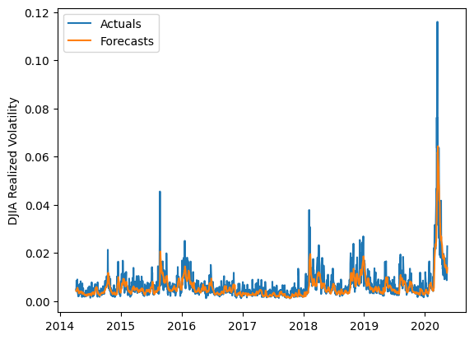
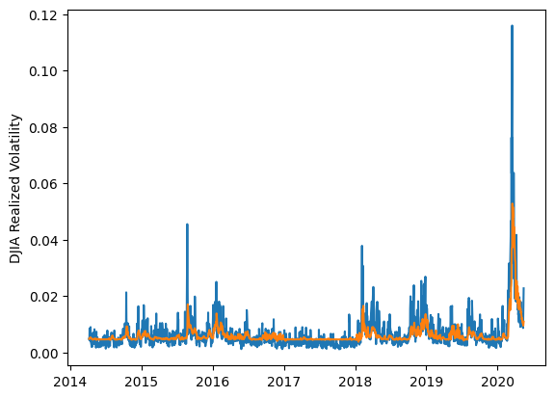
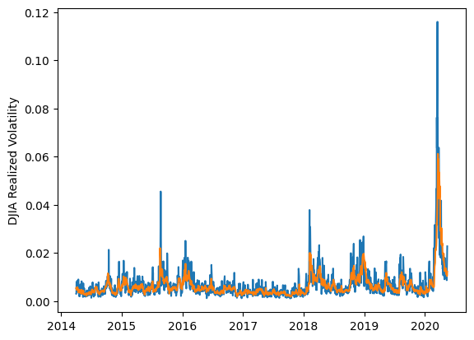
 | LSTM |  |  | TCN |  |  | NBEATSx |  |  |  |  | LSTM |  |  | TCN |  |  | NBEATSx
 | Accuracy | RMSE | Qlike | Accuracy | RMSE | Qlike | Accuracy | RMSE | Qlike |  |  | Accuracy | RMSE | Qlike | Accuracy | RMSE | Qlike | Accuracy | RMSE | Qlike
Trial 1 | 67.12% | 0.235% | 0.092 | 51.64% | 0.278% | 0.154 | 67.31% | 0.221% | 0.082 |  | Mean | 60.64% | 0.248% | 0.135 | 52.80% | 0.270% | 0.149 | 67.91% | 0.217% | 0.080
Trial 2 | 55.69% | 0.240% | 0.121 | 56.67% | 0.274% | 0.140 | 68.55% | 0.218% | 0.084 |  | Standard Deviation | 7.86% | 0.040% | 0.096 | 5.38% | 0.012% | 0.021 | 0.85% | 0.002% | 0.003
Trial 3 | 66.64% | 0.227% | 0.087 | 48.01% | 0.279% | 0.167 | 67.60% | 0.218% | 0.081 |  | 95% CI upper bound | 76.36% | 0.328% | 0.328 | 63.55% | 0.293% | 0.192 | 69.60% | 0.221% | 0.085
Trial 4 | 59.11% | 0.233% | 0.108 | 48.86% | 0.273% | 0.162 | 67.61% | 0.215% | 0.075 |  | 95% CI lower bound | 44.93% | 0.168% | -0.058 | 42.05% | 0.246% | 0.106 | 66.21% | 0.212% | 0.075
Trial 5 | 68.51% | 0.223% | 0.081 | 55.45% | 0.257% | 0.135 | 65.73% | 0.219% | 0.076 |  | 99.7% CI upper bound | 84.21% | 0.367% | 0.424 | 68.93% | 0.305% | 0.213 | 70.44% | 0.224% | 0.088
Trial 6 | 57.99% | 0.294% | 0.220 | 53.86% | 0.269% | 0.145 | 68.37% | 0.216% | 0.080 |  | 99.7% CI lower bound | 37.07% | 0.128% | -0.154 | 36.68% | 0.234% | 0.085 | 65.37% | 0.210% | 0.072
Trial 7 | 64.31% | 0.222% | 0.090 | 45.59% | 0.275% | 0.173 | 68.85% | 0.211% | 0.075
Trial 8 | 68.15% | 0.236% | 0.091 | 42.94% | 0.288% | 0.191 | 68.65% | 0.217% | 0.083
Trial 9 | 61.21% | 0.227% | 0.101 | 54.28% | 0.259% | 0.140 | 68.11% | 0.216% | 0.080
Trial 10 | 67.08% | 0.222% | 0.083 | 59.69% | 0.264% | 0.124 | 68.00% | 0.216% | 0.079
Trial 11 | 64.32% | 0.224% | 0.092 | 58.22% | 0.261% | 0.126 | 66.63% | 0.219% | 0.079
Trial 12 | 50.63% | 0.253% | 0.141 | 58.00% | 0.274% | 0.136 | 67.95% | 0.217% | 0.080
Trial 13 | 65.52% | 0.257% | 0.121 | 45.72% | 0.289% | 0.179 | 68.49% | 0.217% | 0.082
Trial 14 | 51.67% | 0.250% | 0.138 | 54.59% | 0.261% | 0.141 | 68.69% | 0.216% | 0.081
Trial 15 | 41.65% | 0.375% | 0.459 | 58.54% | 0.246% | 0.121 | 68.04% | 0.216% | 0.080

 | LSTM (best trial) |  |  |  |  |  |  |  |  | TCN (best trial) |  |  |  |  |  |  |  |  | NBEATSx (best trial)

